BCA assay results
Application: Tecan i-control |  |  |  | Tecan i-control , 2.0.10.0
Device: infinite 200Pro |  |  |  | Serial number: 1806001446 |  |  |  | Serial number of connected stacker:
Firmware: V_5.31_04/18_InfiniteRX (Mar 28 2018/16.41.26) |  |  |  | MAI, V_5.31_04/18_InfiniteRX (Mar 28 2018/16.41.26)

Date: | 2022-12-02
Time: | 11:24:25 AM

System |  |  |  | WS200236
User |  |  |  | WS200236\tecan
Plate |  |  |  | Greiner 96 Flat Bottom Transparent Polystyrene Cat. No.: 655101/655161/655192 [GRE96ft.pdfx]
Plate-ID (Stacker)

Label: Label1
Mode |  |  |  | Absorbance
Measurement Wavelength |  |  |  | 562 | nm
Bandwidth |  |  |  | 9 | nm
Number of Flashes |  |  |  | 25
Settle Time |  |  |  | 0 | ms
Start Time: | 12/2/2022 11:24:25 AM

 | Temperature: 37.3 °C
<> | 1 | 2 | 3 | 4 | 5 | 6 | 7 | 8 | 9 | 10 | 11 | 12
A | 0.5992000103 | 0.67220002413 | 0.83459997177 | 0.079999998212 | 0.081900000572 | 0.046300001442 | 0.07880000025 | 0.04659999907 | 0.079700000584 | 0.079899996519 | 0.5012999773 | 0.40169999003
B | 0.49919998646 | 0.81629997492 | 0.68190002441 | 0.73070001602 | 0.85019999743 | 0.04639999941 | 0.079300001264 | 0.04659999907 | 0.080499999225 | 0.079400002956 | 0.080899998546 | 0.37970000505
C | 0.36320000887 | 0.71560001373 | 0.8015999794 | 0.69590002298 | 0.76410001516 | 0.046700000763 | 0.58139997721 | 0.04639999941 | 0.079999998212 | 0.079400002956 | 0.69650000334 | 0.3709000051
D | 0.31760001183 | 0.71569997072 | 0.59719997644 | 0.62519997358 | 0.67170000076 | 0.048799999058 | 0.58890002966 | 0.045699998736 | 0.53049999475 | 0.47670000792 | 0.71729999781 | 0.39320001006
E | 0.25229999423 | 0.71850001812 | 0.78750002384 | 0.59810000658 | 0.67159998417 | 0.60089999437 | 0.58499997854 | 0.081500001252 | 0.58370000124 | 0.48140001297 | 0.66229999065 | 0.29170000553
F | 0.18430000544 | 0.77819997072 | 0.77270001173 | 0.55390000343 | 0.61400002241 | 0.60449999571 | 0.57990002632 | 0.07689999789 | 0.49759998918 | 0.46689999104 | 0.5760999918 | 0.32420000434
G | 0.15119999647 | 0.74370002747 | 0.72269999981 | 0.59719997644 | 0.61260002851 | 0.63380002975 | 0.52640002966 | 0.077899999917 | 0.47200000286 | 0.33070001006 | 0.5625 | 0.27469998598
H | 0.12370000035 | 0.72539997101 | 0.7308999896 | 0.61330002546 | 0.65030002594 | 0.64109998941 | 0.53109997511 | 0.078599996865 | 0.40880000591 | 0.35710000992 | 0.5055000186 | 0.24169999361

BCA Standard
2000.00 | 0.60
1500.00 | 0.50
1000.00 | 0.36
750.00 | 0.32
500.00 | 0.25
250.00 | 0.18
125.00 | 0.15
25.00 | 0.12
 | Samples
 | Std Curve

ug/ml | Absorbance
2000 | 0.5992000103
1500 | 0.49919998646
1000 | 0.36320000887
750 | 0.31760001183
500 | 0.25229999423
250 | 0.18430000544
125 | 0.15119999647
25 | 0.12370000035

m | 0.0002
b | 0.1248

 |  |  | protein conc (ug/ml)
wt | no treatment | 0.5012999773 | 1882.4998865
 | no treatment | 0.40169999003 | 1384.4999502
 | no treatment | 0.37970000505 | 1274.5000253
 | 250 nm comp A | 0.3709000051 | 1230.5000255
 | 250 nm comp A | 0.39320001006 | 1342.0000503
 | 250 nm comp A | 0.29170000553 | 834.50002766
 | 500 nm comp A | 0.32420000434 | 997.0000217
 | 500 nm comp A | 0.27469998598 | 749.4999299
 | 500 nm comp A | 0.24169999361 | 584.49996805

Kinetic reading
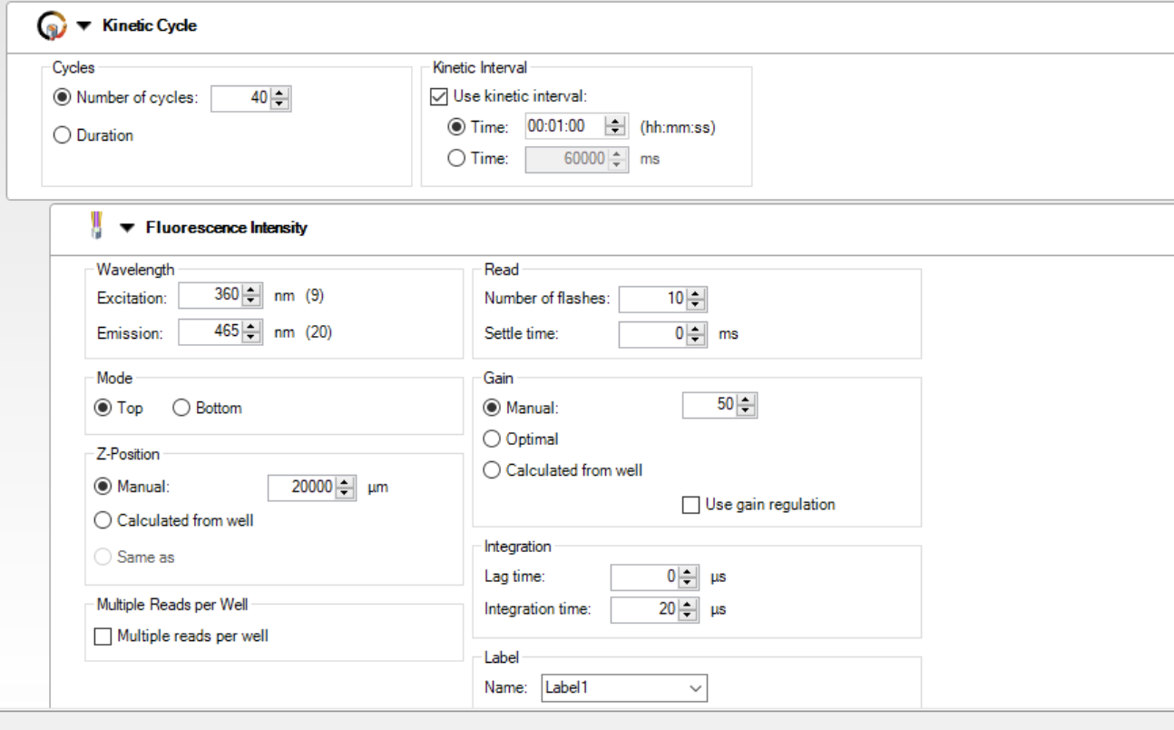
Application: Tecan i-control |  |  |  | Tecan i-control , 2.0.10.0
Device: infinite 200Pro |  |  |  | Serial number: 1806001446 |  |  |  | Serial number of connected stacker:
Firmware: V_5.31_04/18_InfiniteRX (Mar 28 2018/16.41.26) |  |  |  | MAI, V_5.31_04/18_InfiniteRX (Mar 28 2018/16.41.26)

Date: | 2022-12-02
Time: | 10:03:54 AM

System |  |  |  | WS200236
User |  |  |  | WS200236\tecan
Plate |  |  |  | Greiner 96 Flat Bottom White Polystyrene Cat. No.: 655094/655095/655098 [GRE96fw_µClear.pdfx]
Plate-ID (Stacker)

Wait (Plate) |  |  |  | On | Target Temperature: 37 °C

List of actions in this measurement script:
Kinetic
Fluorescence

Label: Label1
Kinetic Measurement
Kinetic Cycles |  |  |  | 40
Interval Time |  |  |  | 0:01:00
Mode |  |  |  | Fluorescence Top Reading
Excitation Wavelength |  |  |  | 360 | nm
Emission Wavelength |  |  |  | 465 | nm
Excitation Bandwidth |  |  |  | 9 | nm
Emission Bandwidth |  |  |  | 20 | nm
Gain |  |  |  | 50 | Manual
Number of Flashes |  |  |  | 10
Integration Time |  |  |  | 20 | µs
Lag Time |  |  |  | 0 | µs
Settle Time |  |  |  | 0 | ms
Z-Position (Manual) |  |  |  | 20000 | µm
Part of Plate |  |  |  | A1-C4; D1-H1
Start Time: | 12/2/2022 10:04:00 AM

Cycle Nr. | 1 | 2 | 3 | 4 | 5 | 6 | 7 | 8 | 9 | 10 | 11 | 12 | 13 | 14 | 15 | 16 | 17 | 18 | 19 | 20 | 21 | 22 | 23 | 24 | 25 | 26 | 27 | 28 | 29 | 30 | 31 | 32 | 33 | 34 | 35 | 36 | 37 | 38 | 39 | 40
Time [s] | 0 | 60 | 120 | 180.1 | 240 | 300.1 | 360.1 | 420.1 | 480.1 | 540.1 | 600.1 | 660.1 | 720.1 | 780.1 | 840.1 | 900.1 | 960.1 | 1020.1 | 1080.1 | 1140.2 | 1200.2 | 1260.2 | 1320.2 | 1380.2 | 1440.2 | 1500.2 | 1560.2 | 1620.2 | 1680.2 | 1740.2 | 1800.2 | 1860.2 | 1920.2 | 1980.2 | 2040.3 | 2100.3 | 2160.3 | 2220.3 | 2280.3 | 2340.3
Temp. [°C] | 36.8 | 37.5 | 36.7 | 37.4 | 36.9 | 37.2 | 37.3 | 37 | 37.4 | 36.9 | 37.5 | 36.8 | 37.5 | 36.8 | 37.5 | 36.8 | 37.5 | 36.8 | 37.5 | 36.8 | 37.5 | 36.8 | 37.6 | 36.9 | 37.6 | 37 | 37.6 | 37.1 | 37.5 | 37.2 | 37.3 | 37.3 | 37.1 | 37.4 | 36.8 | 37.5 | 36.8 | 37.6 | 37 | 37.6
A1 | 202 | 245 | 291 | 348 | 425 | 511 | 616 | 733 | 863 | 1012 | 1173 | 1346 | 1530 | 1732 | 1943 | 2157 | 2387 | 2620 | 2851 | 3082 | 3323 | 3559 | 3793 | 4030 | 4272 | 4496 | 4754 | 4984 | 5241 | 3437 | 3584 | 3751 | 3891 | 4045 | 4185 | 4332 | 4465 | 4615 | 4769 | 4903
A2 | 162 | 161 | 158 | 155 | 153 | 152 | 149 | 148 | 146 | 147 | 146 | 150 | 149 | 151 | 149 | 151 | 152 | 154 | 155 | 157 | 159 | 161 | 163 | 166 | 169 | 171 | 173 | 177 | 179 | 182 | 184 | 160 | 162 | 165 | 166 | 167 | 170 | 171 | 173 | 177
A3 | 175 | 171 | 168 | 162 | 162 | 158 | 156 | 154 | 153 | 154 | 154 | 155 | 154 | 155 | 154 | 157 | 158 | 159 | 161 | 163 | 166 | 168 | 172 | 177 | 181 | 184 | 188 | 191 | 196 | 199 | 203 | 208 | 211 | 215 | 220 | 222 | 227 | 231 | 234 | 238
A4 | 238 | 239 | 239 | 236 | 236 | 233 | 232 | 229 | 227 | 226 | 224 | 224 | 224 | 223 | 224 | 226 | 226 | 230 | 231 | 234 | 237 | 240 | 244 | 247 | 249 | 250 | 254 | 258 | 261 | 263 | 266 | 268 | 272 | 275 | 279 | 281 | 285 | 288 | 290 | 292
B1 | 186 | 197 | 213 | 233 | 260 | 296 | 339 | 386 | 445 | 508 | 581 | 661 | 744 | 835 | 925 | 1026 | 1127 | 1234 | 1338 | 1453 | 1574 | 1686 | 1796 | 1914 | 2028 | 2145 | 2256 | 2370 | 2500 | 2614 | 2746 | 2855 | 2982 | 3103 | 3218 | 3345 | 3465 | 3578 | 3698 | 3819
B2 | 184 | 182 | 180 | 172 | 171 | 166 | 163 | 159 | 157 | 155 | 154 | 157 | 155 | 156 | 155 | 157 | 156 | 157 | 158 | 159 | 161 | 163 | 164 | 166 | 168 | 168 | 171 | 173 | 175 | 177 | 179 | 181 | 185 | 186 | 188 | 190 | 191 | 194 | 197 | 199
B3 | 205 | 206 | 206 | 204 | 204 | 203 | 201 | 200 | 199 | 198 | 186 | 186 | 184 | 186 | 185 | 187 | 188 | 190 | 192 | 193 | 197 | 199 | 203 | 203 | 206 | 210 | 213 | 216 | 221 | 224 | 228 | 231 | 235 | 239 | 242 | 246 | 249 | 250 | 254 | 256
B4 | 209 | 209 | 210 | 208 | 208 | 205 | 204 | 202 | 200 | 198 | 195 | 195 | 193 | 190 | 187 | 189 | 190 | 191 | 192 | 194 | 196 | 196 | 199 | 200 | 203 | 204 | 208 | 209 | 213 | 214 | 217 | 221 | 223 | 227 | 230 | 231 | 234 | 235 | 238 | 242
C1 | 204 | 212 | 219 | 228 | 243 | 259 | 285 | 314 | 348 | 384 | 427 | 477 | 524 | 580 | 633 | 690 | 753 | 809 | 881 | 951 | 1031 | 1100 | 1171 | 1238 | 1311 | 1394 | 1470 | 1524 | 1614 | 1678 | 1770 | 1829 | 1914 | 1980 | 2056 | 2128 | 2222 | 2269 | 2352 | 2403
C2 | 163 | 159 | 157 | 153 | 150 | 149 | 147 | 143 | 142 | 138 | 139 | 140 | 137 | 138 | 136 | 137 | 136 | 137 | 137 | 137 | 138 | 139 | 140 | 142 | 143 | 143 | 146 | 149 | 150 | 151 | 154 | 156 | 157 | 159 | 161 | 163 | 165 | 167 | 169 | 171
C3 | 215 | 215 | 213 | 212 | 210 | 208 | 205 | 203 | 201 | 200 | 199 | 199 | 198 | 200 | 201 | 202 | 203 | 205 | 207 | 212 | 213 | 216 | 219 | 221 | 225 | 226 | 231 | 235 | 238 | 240 | 244 | 247 | 250 | 254 | 257 | 261 | 265 | 266 | 270 | 273
C4 | 192 | 195 | 195 | 197 | 199 | 196 | 196 | 194 | 193 | 191 | 190 | 190 | 190 | 189 | 190 | 193 | 194 | 194 | 196 | 199 | 201 | 206 | 213 | 217 | 222 | 225 | 228 | 235 | 239 | 241 | 244 | 248 | 251 | 254 | 259 | 262 | 266 | 269 | 272 | 277
D1 | 164 | 165 | 167 | 171 | 177 | 185 | 195 | 209 | 221 | 237 | 255 | 276 | 297 | 319 | 341 | 366 | 392 | 420 | 448 | 477 | 506 | 536 | 569 | 602 | 634 | 664 | 698 | 734 | 768 | 803 | 838 | 876 | 914 | 954 | 994 | 1032 | 1069 | 1107 | 1145 | 1184
E1 | 189 | 189 | 189 | 193 | 201 | 207 | 218 | 231 | 247 | 262 | 279 | 301 | 319 | 343 | 366 | 390 | 419 | 447 | 474 | 506 | 535 | 568 | 598 | 633 | 666 | 698 | 733 | 768 | 804 | 839 | 877 | 913 | 954 | 993 | 690 | 715 | 739 | 763 | 781 | 808
F1 | 173 | 172 | 171 | 175 | 156 | 164 | 171 | 181 | 192 | 205 | 217 | 234 | 247 | 294 | 315 | 336 | 354 | 378 | 399 | 421 | 442 | 471 | 501 | 525 | 553 | 582 | 613 | 641 | 672 | 705 | 734 | 760 | 791 | 823 | 856 | 883 | 913 | 944 | 974 | 1001
G1 | 164 | 161 | 164 | 166 | 165 | 166 | 166 | 167 | 168 | 168 | 171 | 173 | 175 | 175 | 177 | 179 | 180 | 182 | 186 | 188 | 191 | 192 | 195 | 198 | 198 | 199 | 202 | 206 | 209 | 210 | 212 | 216 | 219 | 223 | 227 | 228 | 232 | 234 | 237 | 237
H1 | 159 | 166 | 161 | 154 | 153 | 152 | 150 | 147 | 147 | 149 | 148 | 149 | 149 | 150 | 150 | 150 | 149 | 151 | 150 | 151 | 149 | 152 | 153 | 152 | 151 | 151 | 152 | 152 | 153 | 129 | 129 | 129 | 130 | 129 | 130 | 129 | 129 | 129 | 128 | 129

