Navigation
SmartPLS report
Please cite the use of SmartPLS: Ringle, C. M., Wende, S., and Becker, J.-M. 2024. "SmartPLS 4." Bönningstedt: SmartPLS, https://www.smartpls.com.
 | complete

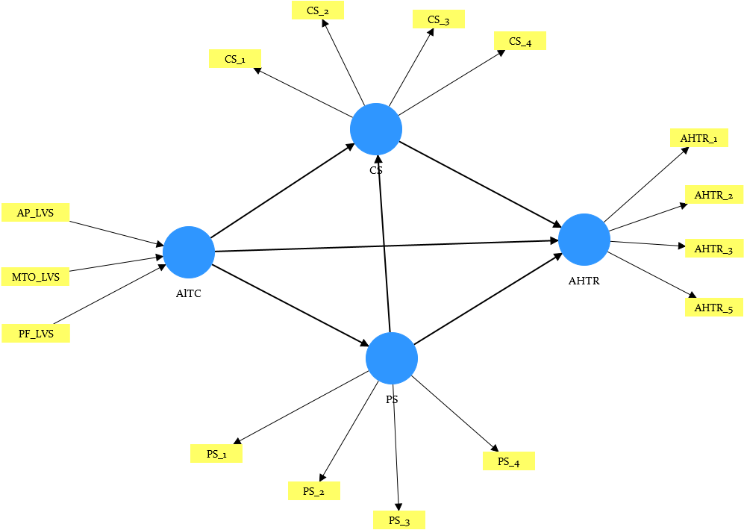
Final results
Path coefficients | show
Total indirect effects | show
Specific indirect effects | show
Total effects | show
Outer loadings | show
Outer weights | show

Quality criteria
R-square | show
R-square adjusted | show
f-square | show
Average variance extracted (AVE) | show
Composite reliability (rho_c) | show
Composite reliability (rho_a) | show
Cronbach's alpha | show
MICOM | show

Algorithm
Setting | show
Execution log | show

Histograms
Path coefficients Histogram | show
MICOM Histogram | show

Model and data
Inner model | show
Outer model | show
Indicator data (original) | show
Indicator data (groups) | show

